Dashboard
Emotorad Test Summary Dashboard

 | Modules List | Feature Count | Total Cases | Pass | Fail | Not in scope | Sanity Suite | 68 | Build Version | 1.0.1
 | Amigo App & Ebike | On-boarding & Profile creation | 9 | 9 | 0 | 0 | Regression Suite | 68 | Device used for Testing | Samsung Galaxy A14 5G & Version -13
 |  | Home page | 19 | 17 | 0 | 0 |  |  | Total Test Case | 90
 |  | Connectivity | 11 | 11 | 0 | 0 |  |  | Total Executed | 88
 |  | Maps | 12 | 12 | 0 | 0 |  |  | Total Pending | 2
 |  | Engineering modes | 13 | 7 | 6 | 0 |  |  | Execution Progress % | 97.78
 |  | Ride details ,Stats & History | 4 | 4 | 0 | 0
 |  | Child mode | 6 | 6 | 0 | 0
 |  | Smart Lock | 6 | 5 | 1 | 0
 |  | Smart Speaker | 10 | 10 | 0 | 0
 |  | Notification & Chimes | 0
 |  | Service | 0
 |  | Hardware | 0
 |  | Backend | 0
Day Wise Test Execution Progress
 | Total | 13 | 90 | 81 | 7
Test Case Count vs. Priority
 | Priority | Test Case Count
 | P0 | 68
 | P1 | 0
 | P2 | 0
 | Total | 68

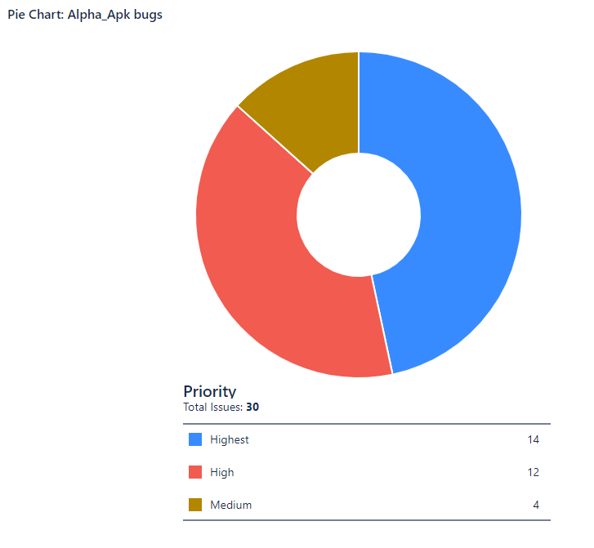

 | Total Bugs | 10
 | High | 5
 | Highest | 4
 | Medium | 1

Test Case Design & Execution Pr
Total count vs. Date
Date | Testcase Design count | Total Count
12-Dec-2023 | 25 | 25
13-Dec-2023 | 35 | 60
14-Dec-2023 | 40 | 100
15-Dec-2023 | 56 | 156
18-Dec-2023 | 45 | 201
19-Dec-2023 | 45 | 246 |  |  | Design
20-Dec-2023 | 45 | 291 |  |  | Estimated | 500
21-Dec-2023 | 45 | 336 |  |  | Achieved | 516
22-Dec-2023 | 45 | 381
26-Dec-2023 | 45 | 426
27-Dec-2023 | 45 | 471
28-Dec-2023 | 45 | 516
29-Dec-2023 | 41 | 557

Day Wise Test Execution Progress
Date | Test Case Execution Count | Pass | Fail | Total Count
2-Jan-2024
3-Jan-2024
4-Jan-2024
12-Jan-2024 | 54 | 53 | 1 | 54
6-Feb-2024 |  | 76 | 0 | 76
9-Feb-2024 | 88 | 81 | 7 | 88
10-Feb-2024
11-Feb-2024
12-Feb-2024
13-Feb-2024
14-Feb-2024
15-Feb-2024
16-Feb-2024
17-Feb-2024
18-Feb-2024
19-Feb-2024
20-Feb-2024
21-Feb-2024
22-Feb-2024
23-Feb-2024
24-Feb-2024
25-Feb-2024
26-Feb-2024
27-Feb-2024
28-Feb-2024
29-Feb-2024
1-Mar-2024
2-Mar-2024
3-Mar-2024
4-Mar-2024

On-boarding &profile creation
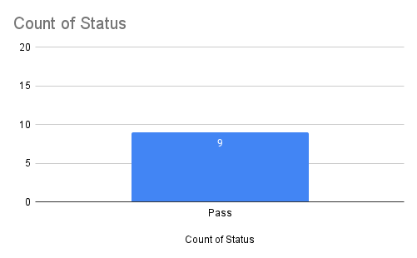
Test Case ID | Priority | PRD | Category/ module | Sub Module | Component | Test Type | Test Objectives | Precondition | Test procedure | Expected Result | Actual Result | Status | Bug id | Tested by | Tested On
Em_04 | P0 | PRD02_EM CApp - Onboarding & Profile Creation | On -boarding page & profile creation | Profile creation | Profile | UI & Functional | Check the user can able to get one time password while updating valid mobile number | User should have installed Amigo App from playstore/Appstore | 1. The user should launch the Amigo App 2.Check the user is able to Enter the mobile number in mobile number field text -box . 3. Checkthe user should click on the "send otp" button once mob is updated. 4.Check the user is able to able to get the OTP(one -time -password) as Mentioned time . | 1. The user should able to launch the Amigo app without any issues 2.The user able to enter Mobile number in mobile number field text -box without any issues. 3. The User should Able to click -on the "send Otp" button without any issues . 4.The user should get OTP(one -time -password) as mentioned time . | Working as expected | Pass |  | Karthikeyan K | 09/02/2024
Em_06 | P0 | PRD02_EM CApp - Onboarding & Profile Creation | On -boarding page & profile creation | Profile creation | Profile | UI & Functional | check the user can able to enter the otp in Enter otp text field box | User should have installed Amigo App from playstore/Appstore User should have valid phone number . | 1. The user should launch the Amigo App 2.Check the user is able to Enter the Valid mobile number in mobile number field text -box . 3.The user should click on the "send otp" button once mob is updated. 4.The user should get OTP(one -time -password) as mentioned time . 5. The user is able to enter the one -time password in otp text field box 6.The user is able to reach home launcher screen while otp is entered. | 1. The user should able to launch the Amigo app without any issues 2. The user is able to enter the Mobile number in the mobile number field text -box without any issues. 3. The User should able to click -on the "send Otp" button without any issues. 4.The user should get OTP(one -time -password) as mentioned time . 5The user should be able to add one-time password and able to reach the Complete profile screen | Working as expected | Pass |  | Karthikeyan K | 09/02/2024
Em_08 | P0 | PRD02_EM CApp - Onboarding & Profile Creation | On -boarding page & profile creation | Profile creation | Profile | UI & Functional | check the user can able to click the resend OTP link | User should have installed Amigo App from playstore/Appstore User should have valid phone number . | 1. The user should launch the Amigo App 2.Check the user is able to Enter the valid mobile number in mobile number field text -box . 3.The user should click on the "send otp" button once mob is updated. 4.The user should get OTP(one -time -password) as mentioned time . 5. The user is able to click the resend -otp while reaching the time limit. 6.The user get new otp while click the resend otp link. | 1. The user should able to launch the Amigo app without any issues 2. The user can enter the Mobile number in the mobile number field text -box without any issues. 3. The User should able to click -on the "send Otp" button without any issues . 4.The user should get OTP(one -time -password) as mentioned time . 5. Check the user can click on the Resend otp link while reaching the time limit. 6. Check the user can get otp by clicking the resend otp link. | Working as expected | Pass |  | Karthikeyan K | 09/02/2024
Em_11 | P0 | PRD02_EM CApp - Onboarding & Profile Creation | On -boarding page & profile creation | Profile creation | Profile | UI & Functional | check the user Can able to select gender category | User should have installed Amigo App from playstore/Appstore User should have valid phone number . | 1.check The user should launch the Amigo App 2.Check the user is able to Enter the Valid mobile number in mobile number field text -box . 3. check The user should click on the "send otp" button once mob is updated. 4. check The user should get OTP(one -time -password) as mentioned time . 5. Check The user is able to enter the one -time password in otp text field box 6. Check The user is able to reach Complete profile screen while otp is entered. 7. Check the user is able to select the gender option list (male , female and others ) | 1. The user should able to luanch the Amigo app without any issues 2.The user able to enter Mobile number in mobile number field text -box without any issues. 3. The User should Able to click -on the "send Otp" button without any issues . 4.The user should get OTP(one -time -password) as mentioned time . 5.The user should be able to add one -time password and able to reach Complete profile screen launcher. 6.The user is able to select the gender category without any issues . | Working as expected | Pass |  | Karthikeyan K | 09/02/2024
Em_12 | P0 | PRD02_EM CApp - Onboarding & Profile Creation | On -boarding page & profile creation | Profile creation | Profile | UI & Functional | Check the user can able to enter the bike nick name | User should have installed Amigo App from playstore/Appstore User should have valid phone number . | 1.check The user should launch the Amigo App 2.Check the user is able to Enter the Valid mobile number in mobile number field text -box . 3. check The user should click on the "send otp" button once mob is updated. 4. check The user should get OTP(one -time -password) as mentioned time . 5. Check The user is able to enter the one -time password in otp text field box 6. Check The user is able to reach Complete profile screen while otp is entered. 7. Check the user is able to enter the Bike Nick name | 1. The user should able to luanch the Amigo app without any issues 2.The user able to enter Mobile number in mobile number field text -box without any issues. 3. The User should Able to click -on the "send Otp" button without any issues . 4.The user should get OTP(one -time -password) as mentioned time . 5.The user should be able to add one -time password and able to reach Complete profile screen launcher. 6.The user able to enter the bike nick name without any issues. | Working as expected | Pass |  | Karthikeyan K | 09/02/2024
Em_13 | P0 | PRD02_EM CApp - Onboarding & Profile Creation | On -boarding page & profile creation | Profile creation | Profile | UI & Functional | Check the user Can able to enter the Bike VIN Number | User should have installed Amigo App from playstore/Appstore User should have valid phone number . | 1.check The user should launch the Amigo App 2.Check the user is able to Enter the Valid mobile number in mobile number field text -box . 3. check The user should click on the "send otp" button once mob is updated. 4. check The user should get OTP(one -time -password) as mentioned time . 5. Check The user is able to enter the one -time password in otp text field box 6. Check The user is able to reach Complete profile screen while otp is entered. 7. Check the user is able to enter the Bike VIN Number | 1. The user should able to luanch the Amigo app without any issues 2.The user able to enter Mobile number in mobile number field text -box without any issues. 3. The User should Able to click -on the "send Otp" button without any issues . 4.The user should get OTP(one -time -password) as mentioned time . 5.The user should be able to add one -time password and able to reach Complete profile screen launcher. 6.The user able to enter the bike VIN Number without any issues. | Working as expected | Pass |  | Karthikeyan K | 09/02/2024
Em_14 | P0 | PRD02_EM CApp - Onboarding & Profile Creation | On -boarding page & profile creation | Profile creation | Profile | UI & Functional | Check the user can able to select the E-bike colour | User should have installed Amigo App from playstore/Appstore User should have valid phone number . | 1.check The user should launch the Amigo App 2.Check the user is able to Enter the Valid mobile number in mobile number field text -box . 3. check The user should click on the "send otp" button once mob is updated. 4. check The user should get OTP(one -time -password) as mentioned time . 5. Check The user is able to enter the one -time password in otp text field box 6. Check The user is able to reach Complete profile screen while otp is entered. 7. Check the user is able to select the colour's from listed of colour list. | 1. The user should able to luanch the Amigo app without any issues 2.The user able to enter Mobile number in mobile number field text -box without any issues. 3. The User should Able to click -on the "send Otp" button without any issues . 4.The user should get OTP(one -time -password) as mentioned time . 5.The user should be able to add one -time password and able to reach Complete profile screen launcher. 6. The user is able to select the colour from colour's list . | Working as expected | Pass |  | Karthikeyan K | 09/02/2024
Em_15 | P0 | PRD02_EM CApp - Onboarding & Profile Creation | On -boarding page & profile creation | Profile creation | Profile | UI & functional | Check the user Can able to upload the profile photo form android /ios phone | User should have installed Amigo App from playstore/Appstore User should have valid phone number . | 1.check The user should launch the Amigo App 2.Check the user is able to Enter the Valid mobile number in mobile number field text -box . 3. check The user should click on the "send otp" button once mob is updated. 4. check The user should get OTP(one -time -password) as mentioned time . 5. Check The user is able to enter the one -time password in otp text field box 6. Check The user is able to reach Complete profile screen while otp is entered. 7. check the user is able to upload the image form android/ios phone. | 1. The user should able to luanch the Amigo app without any issues 2.The user able to enter Mobile number in mobile number field text -box without any issues. 3. The User should Able to click -on the "send Otp" button without any issues . 4.The user should get OTP(one -time -password) as mentioned time . 5.The user should be able to add one -time password and able to reach Complete profile screen launcher. 6. The user should be able to upload images form android/ios phone . | Working as expected | Pass |  | Karthikeyan K | 09/02/2024
Em_16 | P0 | PRD02_EM CApp - Onboarding & Profile Creation | On -boarding page & profile creation | Profile creation | Profile | UI &Functional | Check the user can able to click the complete profile link | User should have installed Amigo App from playstore/Appstore User should have valid phone number . | 1.check The user should launch the Amigo App 2.Check the user is able to Enter the Valid mobile number in mobile number field text -box . 3. check The user should click on the "send otp" button once mob is updated. 4. check The user should get OTP(one -time -password) as mentioned time . 5. Check The user is able to enter the one -time password in otp text field box 6. Check The user is able to reach Complete profile screen while otp is entered. 7.Check the user is able to link the complete profile link ,once mandatory field is updated. | 1. The user should able to luanch the Amigo app without any issues 2.The user able to enter Mobile number in mobile number field text -box without any issues. 3. The User should Able to click -on the "send Otp" button without any issues . 4.The user should get OTP(one -time -password) as mentioned time . 5.The user should be able to add one -time password and able to reach Complete profile screen launcher. 6. The user should be able to click the complete profile link once mandatory field is updated . | Working as expected | Pass |  | Karthikeyan K | 09/02/2024

Em_118
Em_119
Em_120
Em_121
Em_122
Em_123
Em_124
Em_125
Em_126
Em_127 |  |  |  |  |  |  |  |  |  |  | Not tested cases -51
Em_128 |  |  |  |  |  |  |  |  |  |  | Tested cases -66
Em_129 |  |  |  |  |  |  |  |  |  |  | Total -117
Em_130
Em_131
Em_132 |  |  |  |  |  |  |  |  |  |  | Pass -57
Em_133 |  |  |  |  |  |  |  |  |  |  | Fail -9
Em_134
Em_135
Em_136
Em_137
Em_138
Em_139
Em_140
Em_141
Em_142

